Reference
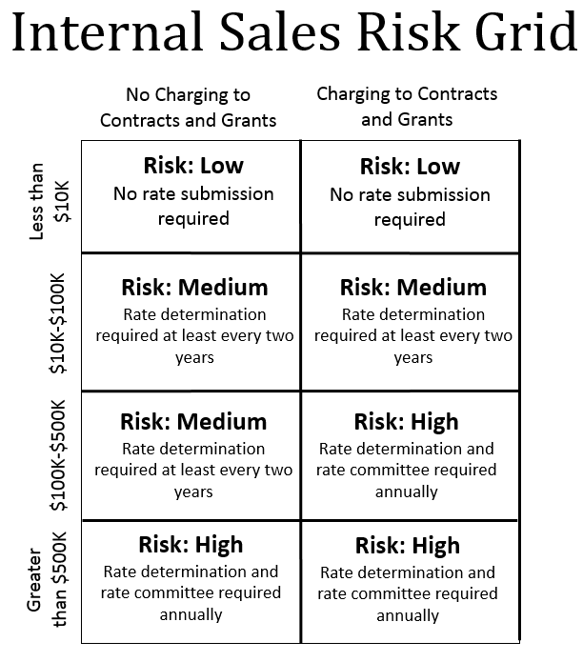
General Administrative/Infrastructure Recharge |  |  | FY24 | FY23 | FY22 | FY21 | FY20
GAR |  |  | 8.75% | 0.00% | 8.75% | 8.75% | 8.50%
GIR |  |  | 0.00% | 0.00% | 0.00% | 0.00% | 0.00%

Fringe Benefit Rates |  |  | FY24* | FY23 | FY22 | FY21 | FY20
Regular Faculty |  |  | 36.6% | 32.5% | 30.7% | 32.5% | 29.2%
Research Faculty |  |  | 36.6% | 32.5% | 30.7% | 32.5% | 29.2%
Professional Exempt, full-time |  |  | 44.9% | 41.4% | 38.5% | 38.0% | 36.6%
Classified - regular, permanent |  |  | 50.3% | 50.9% | 46.1% | 46.7% | 45.0%
Professional Exempt, part-time |  |  | 24.0% | 22.4% | 20.7% | 17.1% | 16.8%
Classified, temp |  |  | 14.7% | 21.4% | 21.9% | 22.7% | 22.4%
Student Faculty |  |  | 0.8% | 0.3% | 0.2% | 0.3% | 0.3%
Hourly |  |  | 0.8% | 0.3% | 0.2% | 0.3% | 0.3%
 |  |  | * FY24 rates are preliminary and subject to change.

Which Revenue Account Code Can I Use in My Program?
The account code used to record revenue is driven by the selling unit. The fund type, the program's EPC, and the customer type are all factors.
 |  |  | SSEA Revenue | Auxiliary Enterprise Revenue2 | Misc Revenue | IN Revenue2 | ID Revenue2
Fund Type | EPC1 | Customer Type | 250000 - 259999 | 280000 - 289999 | 325000 - 334999 | 380000 - 389999 | 390000 - 399999

Fund 10 | All EPCs | Internal Customer | No | No | No | No | Yes
 | All EPCs | External Customer | No | No | No | No | No

Fund 20 | EPC 2000 | Internal Customer | No | Yes | No | No | No
 | EPC 2000 | External Customer | No | Yes | No | No | No
 | EPC 2100 | Internal Customer | No | No | No | Yes | No
 | EPC 2100 | External Customer | No | No | 325200-325399 only | Yes | No
 | Other EPCs | Internal Customer | No | No | No | No | Yes
 | Other EPCs | External Customer | Yes | No | Yes | No | No

Fund 26 | All EPCs | Internal Customer | No | No | No | No | No
 | All EPCs | External Customer | No | No | 325800 only | No | No
Departmental fund 26s are not revenue generating, excet for payments received for royalties.

Fund 28 | EPC 2100 | Internal Customer | No | No | No | Yes | No
 | EPC 2100 | External Customer | No | No | 325200-325399 only | Yes | No

Fund 29 | EPC 1100-1500 | Internal Customer | No | No | No | No | Yes
 | EPC 1100-1500 | External Customer | Yes | No | Yes | No | No
 | Other EPCs | Internal Customer | No | No | No | No | Yes
 | Other EPCs | External Customer | No | No | Yes | No | No

1 EPC is an attribute at the program level. To find your program in PeopleSoft Finance, navigate to General Ledger / ChartFields / Program. Once you find your program, click on the "program CU attributes" tab to find the EPC.

2 If using ID Revenue for the selling unit, the purchasing unit must record an ID Expense.

